eNotify-ezNotify
Formatted ID | Name | Test Folder | Risk | Priority | Description | Objective | Pre Conditions | Validation Input | Validation Expected Result | Steps
TC1399 | SS: ezNotify: Add activation notification status- CANCELLED | TF1644: eNotify: ezNotify | Low | Useful | Must show the status in real time and be able to change correctly to update that status as the refresh occurs. The statuses include: ('SCHEDULED', 'IN PROGRESS', 'DONE', 'CANCELLED', 'EXPIRED') | Check to see that the status shows up correctly under the ""My Recent Activations"" on the left hand side of eznotify. | Events can be activated in the system in order to monitor their status. |  |  | 3
TC1400 | SS: ezNotify: Add Activation Notification Status: DONE | TF1644: eNotify: ezNotify | Low | Useful | Must show the status in real time and be able to change correctly to update that status as the refresh occurs. The statuses include: ('SCHEDULED', 'IN PROGRESS', 'DONE', 'CANCELLED', 'EXPIRED') | Check to see that the status shows up correctly under the ""My Recent Activations"" on the left hand side of eznotify. | Events can be activated in the system in order to monitor their status. |  |  | 3
TC1401 | SS: ezNotify: add instruction field to main page | TF1644: eNotify: ezNotify | Low | Useful |  | Display instructions on the main page successfully. | Edit layout_config.properties and add something like ezNotify to the new property created like this: instruction_type=ezNotify Then go into smart center and add the instruction type and then assign it to a listing, adding the date range as well. |  |  | 1 | where is the instructions field in ezNotify? How to configure the instructionns into ezNotify? Can this even be automated?
TC1402 | SS: ezNotify: add instruction field to main page- Add characters or borders. | TF1644: eNotify: ezNotify | Low | Useful |  | Display instructions on the main page successfully. | Edit layout_config.properties and add something like ezNotify to the new property created like this: instruction_type=ezNotify Then go into smart center and add the instruction type and then assign it to a listing, adding the date range as well. |  |  | 3 | where is the instructions field in ezNotify? How to configure the instructionns into ezNotify? Can this even be automated?
TC5014 | SS: ezNotify: Verify Procedures Are Not Alphabetized | TF1644: eNotify: ezNotify | Medium | Important | when I go into the properties of an existing event in ez.Notify 4.6 the order of my event’s procedures is alphabetized instead of maintaining the original order | procedures stay in proper order and are not alphabetized | Create and event that has procedures and steps. Make sure that when naming them they are not by some chance alphabetical in nature. This test deals with alphabetizing them so we need to make sure they are not shown that way. |  |  | 4 | How do I get additional procedures setup? How to check & step 2???
TC5077 | SS: ezNotify: Correct Event Remark Check | TF1644: eNotify: ezNotify |  |  | Brenda reported that in ezNotify, while scrolling through the list of avaiable events to activate, the remark field stays set on the first remark in the list. | remarks are shown for each event as entered in the database. |  |  |  | 2 | How to setup remarks?
TC8787 | SS: ezNotify: Activates and event with DEFAULT contact list type of the selected contact list type is defined lower or mixed case. | TF1644: eNotify: ezNotify |  |  | For example, if the contact list type was defined/created as Pager, then when ezNotiy activates the event, it switches the contact list type to DEFAULT. SVN# 27949 - https://svn.amcomsoft.com/svn/amcom_database_schema/branches/July_Monthly_Rel_2011 | Mixed case | Installation of e.Notify 4.6 with ezNotify. A procedure device list with the name ""Pager"" (case sensitive) has been created. ezNotify is loaded in the browser. | 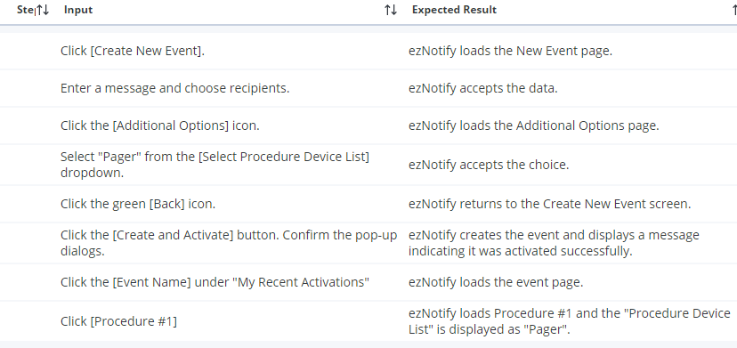 |  | 8 | Should it be listed as 'Pager and Email' instead of just 'Pager', and should 'Pager and Email' be the default device selection?
TC8795 | SS: ezNotify: Activates and event with DEFAULT contact list type of the selected contact list type is defined lower or mixed case. | TF1644: eNotify: ezNotify |  |  | For example, if the contact list type was defined/created as Pager, then when ezNotiy activates the event, it switches the contact list type to DEFAULT. SVN# 27949 - https://svn.amcomsoft.com/svn/amcom_database_schema/branches/July_Monthly_Rel_2011 | All lower case | Installation of e.Notify 4.6 with ezNotify. A procedure device list with the name ""pager"" (case sensitive) has been created. ezNotify is loaded in the browser. | 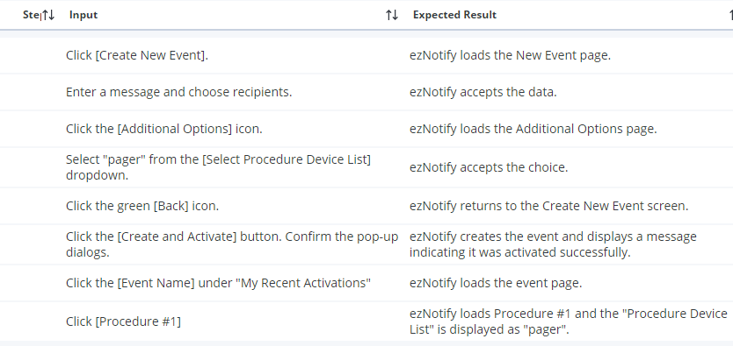 |  | 8 | Email and Pager' shows up, but no 'Pager' or 'pager' (case sensitive for Pager/pager)
TC8796 | SS: ezNotify: Activates and event with DEFAULT contact list type of the selected contact list type is defined lower or mixed case. | TF1644: eNotify: ezNotify |  |  | For example, if the contact list type was defined/created as Pager, then when ezNotiy activates the event, it switches the contact list type to DEFAULT. SVN# 27949 - https://svn.amcomsoft.com/svn/amcom_database_schema/branches/July_Monthly_Rel_2011 | Lower case with numbers (pager85) | Installation of e.Notify 4.6 with ezNotify. A procedure device list with the name ""pager85"" (case sensitive) has been created. ezNotify is loaded in the browser. | 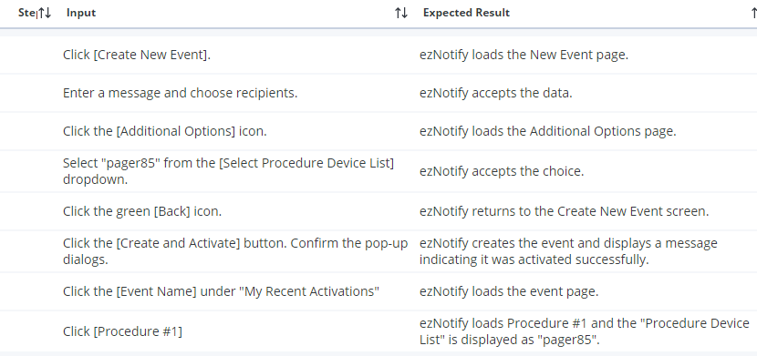 |  | 8 | 'pager85'??? Not listed
TC8797 | SS: ezNotify: Activates and event with DEFAULT contact list type of the selected contact list type is defined lower or mixed case. | TF1644: eNotify: ezNotify |  |  | For example, if the contact list type was defined/created as Pager, then when ezNotiy activates the event, it switches the contact list type to DEFAULT. SVN# 27949 - https://svn.amcomsoft.com/svn/amcom_database_schema/branches/July_Monthly_Rel_2011 | Mixed case with numbers and symbols (page!R_3_x%^4f) | Installation of e.Notify 4.6 with ezNotify. A procedure device list with the name ""page!R_3_x%^4f"" (case sensitive) has been created. ezNotify is loaded in the browser. | 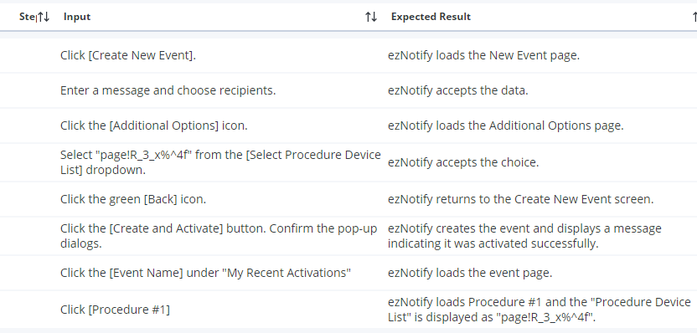 |  | 8 | 'page!R_3_x%^4f'??? Not listed
TC8800 | SS: ezNotify: Activates and event with DEFAULT contact list type of the selected contact list type is defined lower or mixed case. | TF1644: eNotify: ezNotify |  |  | For example, if the contact list type was defined/created as Pager, then when ezNotiy activates the event, it switches the contact list type to DEFAULT. SVN# 27949 - https://svn.amcomsoft.com/svn/amcom_database_schema/branches/July_Monthly_Rel_2011 | Mixed case with non-ASCII characters (pagèr - note accent over e) | Installation of e.Notify 4.6 with ezNotify. A procedure device list with the name ""pagèr"" (case sensitive) has been created. ezNotify is loaded in the browser. | 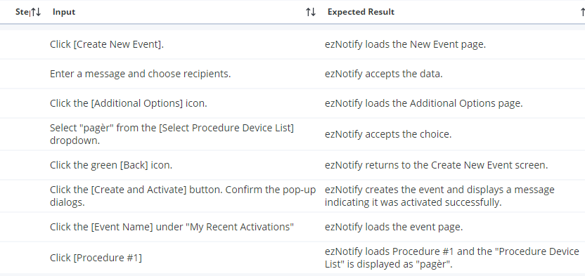 |  | 8 | 'pager'??? Not listed

ezNotify-Create New Event
Formatted ID | Name | Test Folder | Risk | Priority | Description | Objective | Pre Conditions | Validation Input | Validation Expected Result | Steps
TC3100 | SS: ezNotify: Create a New Simple Event With No Questions | TF1645: ezNotify - Create New Event | Low | Critical | Through the Create New Event button in ezNotify, create a simple event with a couple of recipients and no question. Change the event name, event message, select a couple of individual recipients, and select Go button. | Verify that the creation of a simple event works and that the event is able to be activated. | End user is able to create events (is either an EVENT_OWNER or EVENT_SYS_ADMIN). | 1. Select button Create New Event. 2. Fill in a new Event Name, Message Text, choose None of Response Types. 3. Choose the Individuals box and select a couple of recipients. 4. Hit the Green (Create and Activate) button. 5. Within monitor screen, bring up the just activated event and review the information. 6. Within the database or through eNotify, bring up the just saved event template and review the information. | 1. The Create New Event window is displayed on the right side of screen. 2. Information records and is displayed correctly. 3. Individual names are retrieved while typing letters of last name. 4. Event is saved and activated. 5. Event activation is accurately displayed in the monitor. 6. Event template information is accurately saved. | 0 | Checks: Activation Message & Event Name & Message & People Name(s) & (No) Response | 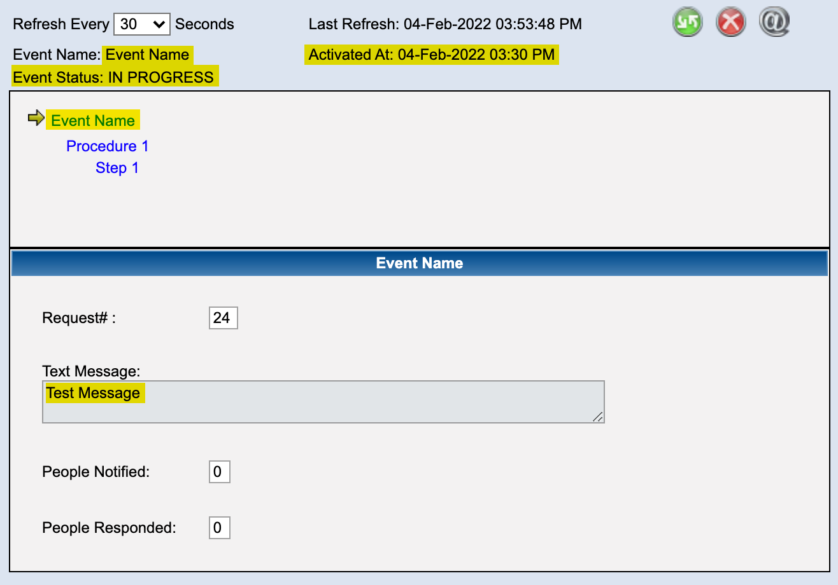 |  | 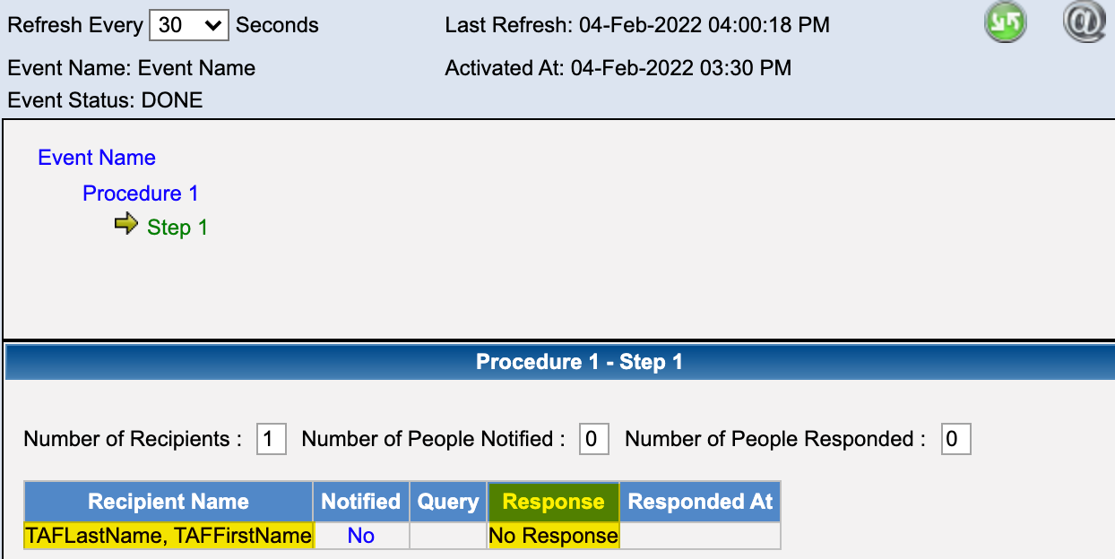 | Is the saved event look correct? & how to delete? More than 1 recipient necessary (how to create more?)? Database???
TC3101 | SS: ezNotify: Create a new event - review recipient information | TF1645: ezNotify - Create New Event | Low | Critical | Through the Create New Event button in ezNotify, create a simple event with a couple of recipients and no question. Review the information for the recipients. Information box should pop up in a modal window rather than expanding the existing page. | Verify that the recipient information is able to be reviewed. | End user is able to create events (is either an EVENT_OWNER or EVENT_SYS_ADMIN). | 1. Select button Create New Event. 2. Fill in a new Event Name, Message Text, choose None of Response Types. 3. Choose the Individuals box and select a couple of recipients. 4. On the individual names, select the blue i button. 5. Once the recipients are selected to the right side of screen, select the blue i button. | 1. The Create New Event window is displayed on the right side of screen. 2. Information records and is displayed correctly in a modal window. 3. Individual names are retrieved while typing letters of last name. 4. Individual information is shown when the blue icon is clicked in a new modal window. 5. Individual information is shown when the blue i icon is clicked in a new modal window. | 0
TC3102 | SS: ezNotify: Create a new simple event - verify selection and removal of individuals and groups from recipient list. | TF1645: ezNotify - Create New Event | Low | Critical | Through the Create New Event button in ezNotify, create a simple event with no question. Test the following: Selection of individuals Select on groups Removal of individuals separately from the list Removal of groups separately from the list Removal of all items in the recipient list | Verify that the recipient list can be made up of individuals and groups. | End user is able to create events (is either an EVENT_OWNER or EVENT_SYS_ADMIN). Message groups are accessible to end user that is logged in. Message groups contain recipients. Individuals have been entered into the system that are available to be recipients of the event. | 1. Select button Create New Event. 2. Fill in a new Event Name, Message Text, choose None of Response Types. 3. Choose the Individuals box and select a couple of recipients. 4. On the recipients list on right side, hit the red X to remove individuals. 5. Select multiple recipients so that they appear on the right side. Then, hit the big blue X on the side to remove all of the recipients. 6. Choose the Groups box and select a couple of message groups that have members. 7. On the recipients list on right side, hit the red X to remove individual message groups. 8. Select multiple message groups so that they appear on the right side. Then, hit the big blue X on the side to remove all of the recipients. 9. Select multiple individuals and multiple message groups. 10. Remove one individual and one message group. | 1. The Create New Event window is displayed on the right side of screen. 2. Information records and is displayed correctly. 3. Individual names are retrieved while typing letters of last name. Individual names are moved to the right side list. 4. Individuals are removed from recipient list one by one. 5. Individuals are first displayed in the recipient list and then removed all together from the list. 6. Message Groups are saved to the recipient list on the right side. 7. Message groups are removed from the recipient list one by one. 8. Message Groups are first displayed in the recipient list and then removed all together from the list. 9. Selected individuals and message groups are displayed on the right side recipient list. 10. The one individual and one message group are removed from the recipient list. | 0 | How to create more groups? More recipients/individuals? Message Group?
TC3115 | SS: ezNotify: Create a new event - review group information | TF1645: ezNotify - Create New Event | Low | Critical | Through the Create New Event button in ezNotify, create a simple event with a couple of groups and no question. Review the information for the message groups - should resolve membership. Information box should pop up in a modal window rather than expanding the existing page. | Verify that the group membership information is able to be reviewed. | End user is able to create events (is either an EVENT_OWNER or EVENT_SYS_ADMIN). At least 2 message groups exist - one with static members and one that is defined as a dynamic message group. | 1. Select button Create New Event. 2. Fill in a new Event Name, Message Text, choose None of Response Types. 3. Choose the Group box and select a static message group that has members. 4. ON the message group on left side, select the blue i button. 5. Once the group is selected to the right side of screen, select the blue i button. 6. Within the selection box on the left, select a dynamic message group that has members. 7. On the message group on left side, select the blue i button. 8. Once the group is selected to the right side of screen, select the blue i button. | 1. The Create New Event window is displayed on the right side of screen. 2. Information records and is displayed correctly in a new modal window. 3. Message group is copied to right side of screen. 4. Message Group informtion is displayed including count of members and actual members are shown when the blue icon is clicked in a new modal window. 5. Message Group informtion is displayed including count of members and actual members are shown when the blue icon is clicked in a new modal window. 6. Message group is copied to right side of screen. 7. Message Group informtion is displayed including count of members and actual members are shown when the blue icon is clicked in a new modal window. 8. Message Group informtion is displayed including count of members and actual members are shown when the blue icon is clicked in a new modal window. | 0
TC3116 | Create a new event - validate the message group size | TF1645: ezNotify - Create New Event | Low | Useful | Validate that if the static message group is empty, it is not able to be selected as a recipient and the i icon displays that it is an empty group. Verify that dynamic message group that is not okay to use is not able to be selected as a recipient. | Verify that an empty message group will not be able to be selected as a recipient. Verify that a dynamic message group that is not okay to use can not be selected as a recipient. | Create a new static message group that has no members. Create a new dynamic message group that has criteria, but is not okay to use (has not had the View Query Result button selected and then saved). | 1. Click on the Create New Event. 2. Enter the event name and message text and select None for the response type. 3. Select the Message Groups check box and enter in the first few letters of the static message group that does not have members. 4. Select the static message group that does not have members. 5. Click on the i icon to display the members. 6. Within the search for the message group, enter in the first few letters of the dynamic message group that is not okay to use. | 1. The Create New Event window appears. 2. Information is capture in screen. 3. The static message group appears in the selection list. 4. A message box appears that indicates the static message group has no members and the message group is NOT moved to the recipient list on the right. 5. A message box appears that indicates the static message group has no members. 6. The selection list does not display the dynamic message group because it is not okay to use. | 0
TC3117 | Create a new event - validate the on call group size | TF1645: ezNotify - Create New Event | Low | Useful | Validate that the on call group displays the member list correctly. This will depend on whether anyone is currently on call or not. | Verify that if an on call group is selected that has no one currently on call, the system will display that information. Verify that if an on call group is selected that currently has one person on call, the system will correctly display the person on call. Verify that if an on call group is selected that has multiple people currently on cal, the system will correctly display the list of people that are currently on call. | Create a new on call group that has no one on call. Create a new on call group that has one person currently on call. Create a new on call group that has multiple people currently on call. | 1. Click on the Create New Event. 2. Enter the event name and message text and select None for the response type. 3. Select the On Call Groups check box and enter in the first few letters of the on call group that currently has no one on call. 4. Select the on call group group that does not have anyone currently assigned. 5. Click on the i icon to display the on call group members. 6. Within the search for the on call group, enter in the first few letters of the on call group that currently has 1 person assigned. 7. Select the on call group that currently has 1 person assigned. 8. Click on the i icon to display the on call group members. 9. Within the search for the on call group, enter in the first few letters of the on call group that currently has multiple people assigned. 10. Select the on call group that currently has multiple people assigned. 11. Click on the i icon to display the on call group members. | 1. The Create New Event window appears. 2. Information is capture in screen. 3. The on call group group appears in the selection list. 4. A message box appears that indicates the on call group has no members and the group is NOT transfered to the right side recipient list. 5. A message box appears that indicates the on call group has no members. 6. The on call group group appears in the selection list. 7. The group is copied to the right side recipient list. 8. A message box appears that lists the one person that is currently on call for the group. 9. The on call group group appears in the selection list. 10. The group is copied to the right side recipient list. 11. A message box appears that lists the multiple people that are currently on call for the group. | 0
TC3123 | Create a new event - allow the ability to change the event name | TF1645: ezNotify - Create New Event | Low | Critical | The end user is able to change the event name for the template within the Create A New Event window. Verify that the event name is saved for the event template and the activation. | Verify the end user is able to change the event name and that it gets saved to the event template and event request side. | End user is able to create events. | 1. Click on the Create New Event icon. 2. Enter in a new event name, enter in message text, click on None for response type, and select a single recipient. 3. Press the Green Go button. | 1. The Create New Event window displays on the right side of the screen. 2. The user is able to move between the fields and information appears to save. 3. The event template is created with the information that has been entered. The event is activated correctly. | 0 | modify during or after evernt creation? How to allow 'change event name'?
TC3134 | Create a new event - display help text in the Message field | TF1645: ezNotify - Create New Event | Low | Useful | Help text is displayed for the end user within the message field. The help text is configuble per customer site. | Verify that help text can be displayed with the message field and that it is configurable per customer site. | End user is able to create events. | 1. Click on the Create New Event. 2. Verify that help text is displayed within the 2. Message box. 3. On linux app server, login as oracle user and traverse to the directory /u01/app/oracle/product/10.1.3/mtier_1/j2ee/home/applications/ezNotify/eznotify/WEB-INF/classes/com/amcomsoft/smartweb/scheduler (may be different on your test server. 4. Edit the file rapid_template_config.properties and change the text for the property ""messageBoxHelpText"". 5. Restart the opmn server. 6. Start up the ezNotify interface again and select the Create New Event icon. | 1. The Create New Event window appears on the right side of display. 2. The default help text displays within the Message box. 3, 4, 5. <none> 6. The help text entered in Step 4 displays correctly within the Message box. | 0 | Linnux app server? ???? ???? ????
TC3135 | Create a new event - display help text in the Question field | TF1645: ezNotify - Create New Event | Low | Useful | Help text is displayed for the end user within the question field. The help text is configuble per customer site. | Verify that help text can be displayed with the question field and that it is configurable per customer site. | End user is able to create events. | 1. Click on the Create New Event. 2. Verify that help text is displayed within the 3. Response Type Yes/no box. 3. On linux app server, login as oracle user and traverse to the directory /u01/app/oracle/product/10.1.3/mtier_1/j2ee/home/applications/ezNotify/eznotify/WEB-INF/classes/com/amcomsoft/smartweb/scheduler (may be different on your test server. 4. Edit the file rapid_template_config.properties and change the text for the property ""QueryBoxHelpText"". 5. Restart the opmn server. 6. Start up the ezNotify interface again and select the Create New Event icon. | 1. The Create New Event window appears on the right side of display. 2. The default help text displays within the yes/No query box. 3, 4, 5. <none> 6. The new help text entered in Step 4 displays correctly within the yes/no query box. | 0 | Linnux app server? ???? ???? ????
TC3136 | SS: ezNotify: Create New Event: Character Counter for Message Text | TF1645: ezNotify - Create New Event | Low | Useful | Character counter is displayed for the end user while text is being entered in the message field. | Verify that a character counter is displayed for the message field. | End user is able to create events. | 1. Click on the Create New Event. 2. Verify that while the message text is being typed in, the character counter is decremented to display an accurate count of amount of characters that can still be entered. | 1. The Create New Event window appears on the right side of display. 2. The character counter is decremented correctly | 0
TC3140 | Create a new event - test Add ability for Selected recipient list to be scrollable vertically | TF1645: ezNotify - Create New Event | Low | Useful | The list of selected recipients (individuals, on call group, and message groups) may become quite large, so the recipient list should be scrollable. Similarly, the list of search recipients may be quite large, so the search results for text entered should be scrollbable | Verify that the selected recipient list and the search results list for recipients is scrollable. | End user is able to create events. Enter approximately 20 individuals that have last names that start with the same first 2 characters (i.e. Mi). | 1. Click on the Create New Event. 2. Select the Individual Recipient check box and enter in the first 2 characters for the matching individuals where the list needs to be scrollable. 3. Select all of the individuals shown to produce a Selected Recipient list on the right side that needs to be scrollable. | 1. The Create New Event window appears on the right side of display. 2. The search results list is scrollable and individuals are allowed to be selected and then copied to right side of selected recipient list. 3. The selected recipient list on the right side is scrollable and individual entries can be selected for removal or information. | 0 | How to create more groups? More recipients/individuals? Message Group?
TC3146 | Create New Event - Test Add Select Response Type Options - None | TF1645: ezNotify - Create New Event | Medium | Critical | Allow the user to create a new event with response type of None. This type of event basically sends out the event message only. | Verify the ability to create a new event with a response type of none. | End user is able to create new events. | 1. Click on the create new event icon. 2. Enter the event name, event message, select the Response Type of None, and select a single recipient. 3. Click on the green Go button. 4. Within eNotify verify the event template that was created in the steps above. 5. Within the database, verify the event template that was created in the steps above. | 1. The Create New event window displays on the right side of the screen. 2. Information is allowed to be entered. 3. The event template is saved and the event is activated. 4. The event template has been saved as entered in the ezNotify interface. The event is valid and ready to be activated. 5. The database tables show all information was saved as entered or with the defaults. | 0 | how to use eNotify & Database?
TC3147 | Create New Event - Test Add Select Response Type Options - Confirmation | TF1645: ezNotify - Create New Event | Medium | Critical | Allow the user to create a new event with response type of Confirmation. This type of event basically sends out the event message and a short message asking the user to respond to confirm receipt of the message. | Verify the ability to create a new event with a response type of Confirmation. | End user is able to create new events. | 1. Click on the create new event icon. 2. Enter the event name, event message, select the Response Type of Confirmation, and select a single recipient. 3. Click on the green Go button. 4. Within eNotify verify the event template that was created in the steps above. 5. Within the database, verify the event template that was created in the steps above. | 1. The Create New event window displays on the right side of the screen. 2. Information is allowed to be entered. 3. The event template is saved and the event is activated. 4. The event template has been saved as entered in the ezNotify interface. The event is valid and ready to be activated. 5. The database tables show all information was saved as entered or with the defaults. | 0 | how to use eNotify & Database?
TC3148 | Create New Event - Test Add Select Response Type Options - Yes/No Question | TF1645: ezNotify - Create New Event | Medium | Critical | Allow the user to create a new event with response type of a single Yes/No Question. This type of event basically sends out the event message and a single step asking the user to answer a single Yes/No question. | Verify the ability to create a new event with a response type of Yes/No Question. | End user is able to create new events. | 1. Click on the create new event icon. 2. Enter the event name, event message, select the Response Type of Yes/No Question, and select a single recipient. 3. Within the Yes/No question box, enter a simple question. 4. Click on the green Go button. 5. Within eNotify verify the event template that was created in the steps above. 6. Within the database, verify the event template that was created in the steps above. | 1. The Create New event window displays on the right side of the screen. 2. Information is allowed to be entered. 3. Information is allowed to be entered. 4. The event template is saved and the event is activated. 5. The event template has been saved as entered in the ezNotify interface. The event is valid and ready to be activated. 6. The database tables show all information was saved as entered or with the defaults. | 0 | How to check if the question was saved? how to use eNotify & Database?
TC3149 | Create New Event - Event fails validation when activate pushed - but retains information | TF1645: ezNotify - Create New Event | Medium | Important | Create a new event that fails validation (do not enter a recipient). Event name and message and any other information entered is retained and user is allowed to correct the failure and resubmit. | Validate that the information entered is retained and failure condition is allowed to be corrected and resubmitted. | End user is allowed to create an event. | 1. Click on the Create New Event. 2. Enter the event name, event message, and select response type of Yes/no question. Enter a question in the question text box. 3. Click on the green Go button (without selecting a recipient). 4. Acknowledge error condition. 5. Select a single recipient. 6. Click on the green Go button. | 1. The Create New Event window is displayed on the right side of screen. 2. The information appears to be saved. 3. The event template is saved and validated and fails validation. A message box appears indicating a recipient must be entered. 4. The user is allowed to review the data entered for the event. 5. Recipient is saved to Selected Recipient list on right side. 6. Event template is updated, validation passes, and event is activated. | 0 | How to check if the question was saved?
TC3150 | Create New Event - Test Add Select Response Type Options - Question Text enabled only when Yes/No | TF1645: ezNotify - Create New Event | Medium | Useful | When user is creating a new event with response type of either None or Confirmation, the Yes/no Question should be disabled. | Verify that the Yes/No Question is only enabled when the Yes/No response type is selected. | End user is able to create new events. | 1. Click on the create new event icon. 2. Enter the event name, event message, select the Response Type of None. 3. Verify that the Yes/No question text box is disabled. 4. Select the Response Type of Confirmation 5. Verify that the Yes/No question text box is disabled. | 1. The Create New event window displays on the right side of the screen. 2. Information is allowed to be entered. 3. Information is not allowed to be entered in the Yes/No question text box. 4. Selection is allowed. 5. Information is not allowed to be entered in the Yes/No question text box. | 0 | The 'Yes/No Question' textbox should only be available after/during the selection of the 'Yes/No Question' being checked
TC3257 | SS: ezNotify: Create New Event: Validate Advanced Option Buttons (Cancel) | TF1645: ezNotify - Create New Event | Low | Important | Verify that the buttons work as follows: Cancel – after confirming the request, it will cancel the recent changes and takes the user back to the main page. | Verify that the cancel button acts as intended. | Login user is able to create events. | 1. Choose option to create a new event. 2. Enter in an event name and message, select None for Response type, and select one or more recipients. 3. Choose the Advanced Option. 4. Make changes to duration, escalation, and device list. Press Cancel. 5. Confirm that the user wants to cancel activating the event. | After hitting the cancel button, the changes are not saved, the event is not activated, and the user returns to the main page. | 0
TC3258 | SS: ezNotify: Create a new event - validate the buttons are configurable | TF1645: ezNotify - Create New Event | Low | Important | Verify that the buttons work as follows: Images for these buttons will be configurable. Image files are in: /opt/amcom/webapps/stage/eznotify/imgSettings are in file: /opt/amcom/webapps/stage/eznotify/WEB-INF/classes/com/amcomsoft/smartweb/layout_config.properties save_png = /img/save.pngcancel_png = /img/cancel.pngactivate_event_png = /img/Activate-Event.pngaddoptions_png = /img/addoptions.png | Verify that the buttons are configurable. |  | 1. Backup layout_config.properties. 2. Copy in replacement images with unique names, update layout_config.properties 3. In WebLogic Console, Stop the eznotify deployment, Update (Activate changes), Start 4. Bring up eznotify and the Create New Event screen | 1. Backup files are made. 2. New images are copied into place and referenced by layout_config.properties 3. eznotify is redeployed and restarted. 4.ezNotify shows the new button images | 0 | Can this even be automated????
TC3259 | Create a new event - validate the buttons on advanced option (save) | TF1645: ezNotify - Create New Event | Low | Important | Verify that the buttons work as follows: Save– If there are changes, after confirming with the user, it will save the changes and brings the user back to the previous page. If no changes, it will bring user back to the previous page and keeps all modifications active. | Verify that the save button act as intended. | Login user is able to create events. | 1. Choose option to create a new event. 2. Enter in an event name and message, select None for Response type, and select one or more recipients. 3. Choose the Advanced Option. 4. Make changes to duration, escalation, and device list. Press Save button. 5. Return to 1st window and activate event. | After event is activated, review information saved in the database at the procedure level. All of the changes that were made in the advanced screen should have been saved for the template or the activation. | 0 | How to check database?
TC3260 | Create a New Event - user able to view devices with each list | TF1645: ezNotify - Create New Event | Low | Important | Test User will be able to view the associated devices with each list | Verify that the user is able to view all of the devices for the associated procedure device list. | User is able to create events. User is able to create a new procedure device list in eNotify. | 1. Within the Create New Event screen, select the Advanced Options button. 2. Select the View Devices button to view the devices of the currently selected list. 3. Within eNotify or the database, review the list of devices for the correct list. 4. Within the advanced options screen, select another device list from the drop down menu items. 5. Select the View Devices button to view the devices of the currently selected list. 6. Within eNotify or the database, review the list of devices for the correct list. | 1. The Advanced options screen displays. 2. The Selected Procedure Device List (view only) shows with the devices in order of their priority. 3. The list displayed in the window should match exactly to what is saved in the database. Verify the display order also. 4. The selected list name is shown in the text box. 5. The Selected Procedure Device List (view only) shows with the devices in order of their priority. 6. The list displayed in the window should match exactly to what is saved in the database. Verify the display order also. | 0 | how to use eNotify & Database?
TC3261 | Create a New Event - user able to view devices with each list (new device list created) | TF1645: ezNotify - Create New Event | Low | Important | Create a new device list and test User will be able to view the associated devices with each list | Verify that the user is able to view all of the devices for the newly created procedure device list. | User is able to create events. User is able to create a new procedure device list in eNotify. | 1. Within the Create New Event screen, select the Advanced Options button. 2. Review the list of procedure device lists that are available for selection. 3. Cancel the create new event. 4. Within eNotify, create a new procedure device list. 5. Back in ezNotify, select Create New Event and select Advanced Option . 6. Within the advanced options screen, select the newly created device list from the drop down menu items. 7. Select the View Devices button to view the devices of the currently selected list. | 1. The Advanced options screen displays. 2. The drop down list shows all that are available within the database. 3. System returns to the main window. 4. New device list created. 5. The Advanced options screen displays. 6. The device list displays in the Advanced Options window as selected. 7. The Selected Procedure Device List (view only) shows with the devices in order of their priority. The list displayed in the window should match exactly to what is saved in the database. Verify the display order also. | 0 | How to get access to eNotify & change procedure device list? What is procedure device list (just regular device list?)?
TC3262 | Create a new event - Add Option to use recipient’s device list if available | TF1645: ezNotify - Create New Event | Low | Important | Test Add Option to use recipient’s device list if available | Verify that selection of the use recipient's device list is saved. | Login user is able to create events. | 1. Choose option to create a new event. 2. Enter in an event name and message, select None for Response type, and select one or more recipients. 3. Choose the Advanced Option. 4. Select Use Recipient's device list and hit the Save/Back button. 5. Activate event. . | 1. Create New Event window is displayed. 2. Information appears on screen as typed/selected. 3. The Advanced Options window displays with the Use REcipient's device list unselected. 4. Information is saved. 5. After event is activated, verify through the eNotify screens or the database that the Use Recipient's Device List if available was saved with a P for the value of contact_list_source column. | 0 | How to check eNotify & databse
TC3263 | Create a new event - Allow defining event template duration | TF1645: ezNotify - Create New Event | Low | Important | Test Allow defining event template duration | Verify that the user is able to change the event template duration | Login user is able to create events. | 1. Choose option to create a new event. 2. Enter in an event name and message, select None for Response type, and select one or more recipients. 3. Choose the Advanced Option. 4. Change the Event Duration (in minutes) to a different setting than the default and hit the Save/Back button. 5. Activate event. . | 1. Create New Event window is displayed. 2. Information appears on screen as typed/selected. 3. The Advanced Options window displays with the Event Duration (in minutes) set to the default (i.e. 30 minutes). 4. Information is saved. 5. After event is activated, verify through the eNotify screens or the database that the event duration was saved with the value that was entered in the accept_response_duration column. | 0 | How to check eNotify & databse
TC3264 | SS: ezNotify: Create a new event - Allow defining event template duration (default setting) | TF1645: ezNotify - Create New Event | Low | Important | Test setting the configuration for the event template duration This setting is saved in: /opt/amcom/webapps/stage/eznotify/WEB-INF/classes/com/amcomsoft/smartweb/scheduler in the file ""rapid_template_config.properties"", specifically the setting for ""default_event_duration"" | Verify that the system admin is able to change the default event template duration | Login user is able to create events. | 1. As system admin, change the configuration for the default template duration. 2. Within ezNotify, choose option to create a new event. 3. Enter in an event name and message, select None for Response type, and select one or more recipients. 4. Choose the Advanced Option. 5. Review the setting for the event duration and hit the Save/Back button. 6. Activate event. . | 1. Configuration is changed and saved. 2. Create New Event window is displayed. 3. Information appears on screen as typed/selected. 4. The Advanced Options window displays with the Event Duration (in minutes) set to the new value that was saved in the 1st step. 5. Information is saved. 6. After event is activated, verify through the eNotify screens or the database that the event duration was saved with the value that was newly configured in the accept_response_duration column. | 0 | How to change template configuration? Just change the duration?
TC3265 | Create a new event - add option for Selecting device escalation | TF1645: ezNotify - Create New Event | Low | Important | Test Add option for Selecting device escalation | Verify that the user is able to change the options for device escalation at the procedure level | Login user is able to create events. | 1. Choose option to create a new event. 2. Enter in an event name and message, select None for Response type, and select one or more recipients. 3. Choose the Advanced Option. 4. Change the Device Escalation option to the different setting than the default (i.e. change it to Notify all devices simultaneously) and hit the Save/Back button. 5. Activate event. . | 1. Create New Event window is displayed. 2. Information appears on screen as typed/selected. 3. The Advanced Options window displays with the Select Device Escalation set to the default (i.e. Use Device Escalation selected). 4. Information is saved. 5. After event is activated, verify through the eNotify screens or the database that the use device escalation option was saved with the value that was entered in the blast_all_option column. If Use Device Escalatin radio button was selected, the blast_all_option should be set to 'F'. If the Notify all device simultaneously was selected, the blast_all_option should be set to 'T'. | 0 | How to check eNotify & databse
TC3268 | Create a new event - validate new Additional Options button | TF1645: ezNotify - Create New Event | Low | Important | Test Add New Additional Options Button - verify that the additional options screen displays correctly and defaults are correct | Verify that the advanced options window dislays correctly and default values are shown for event duration, select device escalation (radio button and check box) and the proedure device list. Review the attached jpg image - should be similar to what is in the jpg image. The default values may differ. | Login user is able to create events. | 1. Choose option to create a new event. 2. Enter in an event name and message, select None for Response type, and select one or more recipients. 3. Choose the Advanced Option. | After hitting the Advanced Options button, the window is displayed. Verify that the displayed window shows the end user the configured default values for event duration, Use Device Escalation options (check box and radio button), and Procedure Device List. Verify that the options may be changed within the window. | 0 | jpg image comparison?
TC3276 | Create New Event - Ability to save template without activating event | TF1645: ezNotify - Create New Event | Medium | Important | Test the ability for the end user to save a template without activating the event. | Verify that the end user can save the template without activating the event. | End user is able to create events. | 1. fromthe main window, select the Create New Event option. 2. Change the name of the event, the event message, select None for respose type, Select recipient(s). 3. Choose Advanced Options. 4. Change duration and procedure device list. Select button to return to previous window. 5. Hit the Save button. 6. Hit the Cancel button. | 1. Create New Event window appears. 2. Event information is changed in the display. 3. Advanced Options window appears. 4. Procedure level information is changed in the display. Control returns to the Create New Event window. 5. Template is saved. 6. Activation is cancelled. | 0 | Template saved in the 'Activate Existing Event' page? | Enter the event message | Enter the event short message
TC3288 | Create New Event - verify data that is inserted on left and right | TF1645: ezNotify - Create New Event | Low | Important | Create a new event (Y/N) and verify the data that gets inserted into the template side and the activation side. Look at the table data instead of just the data that is presented through the u/i. | Verify that the data is correct. | user is able to create events. | 1. Create a New Event with a Y/N question. 2. Through Sqlplus, run queries against the left side tables to view the data. 3. Through sqlplus, run queries against the right side tables to view the data. | 1. Event template is saved and event is activated. 2. Data is linked together through the template side and all data is saved accurately. 3. Data is linked together through the event side and all data is saved accurately. | 0 | What does it mean 'left' and 'right' sides tables in sql? Related to 'activated' event and format in 'Active Existing Event' page?
TC4171 | SS: ezNotify: Create a new event - select Use for VoiceMail (TTS enabled) | TF1645: ezNotify - Create New Event |  |  | Within ezNotify, select the check box for Use for VoiceMail and TTS is enabled. When the event template is saved, the voice mail prompt is filled in with a number that corresponds with the prompt that has the event message saved in it. |  | Text To Speech is enabled. User has ability to create new event. | 1. Enter a new event name and event message. 2. Select the check box for Use for Voicemail. 3. Select an individual recipient 4. Activate the event. | After the event is activated, verify that the event template record and the event_request record both have voice mail prompt set to a prompt_number that has the correct event message in it. | 0 | How to check voicemail in UI (activated event in ezNotify? database check?
TC4172 | SS: ezNotify: Create a new event - do not select Use for VoiceMail (TTS enabled) | TF1645: ezNotify - Create New Event |  |  | Within ezNotify, leave the check box for Use for VoiceMail unchecked and TTS is enabled. When the event template is saved, the voice mail prompt should be empty. |  | Text To Speech is enabled. User has ability to create new event. | 1. Enter a new event name and event message. 2. Leave the check box for Use for Voicemail un-checked. 3. Select an individual recipient 4. Activate the event. | After the event is activated, verify that the event template record and the event_request record both have voice mail prompt set to null. | 0 | How to check voicemail in UI (activated event in ezNotify? database check?
TC23261 | SS: ezNotify: Create New Event: Change the Maximum Characters Allowed for Message | TF1645: ezNotify - Create New Event |  |  | The allowed character count for the message text is configurable per customer site. | Verify for the character counter that the allowed amount is configurable per customer site. | End user is able to create events. | 1. On linux app server, login as oracle user and traverse to the directory /opt/amcom/webapps/stage/eznotify/WEB-INF/classes/com/amcomsoft/smartweb/scheduler 2. Edit the file rapid_template_config.properties and change the amount of allowed characters for the property ""max_message_text_chars"". 3. In WebLogic Console, Stop the eznotify deployment, Update (Activate changes), Start 4. Start up the ezNotify interface again and select the Create New Event icon. | 1, 2, 3. <none> 4. The new allowed amount of characters is displayed by the Message text window and that the new counter is used when determining amount of text the message box can contain. | 0 | Linnux app server? ???? ???? ????

